Dashboard - Sample
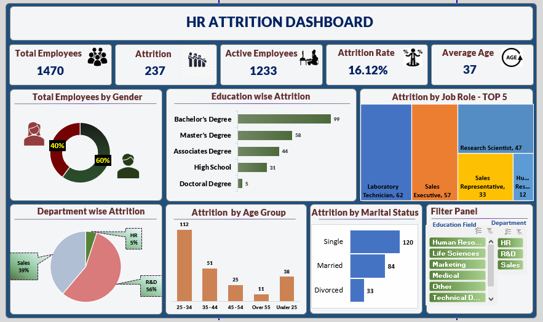

Analysis
KPI | Total Employees by Gender |  | Education Wise Attrition |  | Attrition by Job Role - TOP 5 |  | Department Wise Attrition |  | Attrition by Age Group |  | Attrition by Marital Status

Total Employees | Gender | Emp by Gender | Education | Attrition | Job Role | Attrition by Job Role | Department | Attrition | Age Group | Attrition | Marital Status | Attrition
1470 | Female | 40% | Bachelor's Degree | 99 | Laboratory Technician | 62 | HR | 12 | 25 - 34 | 112 | Single | 120
 | Male | 60% | Master's Degree | 58 | Sales Executive | 57 | R&D | 133 | 35 - 44 | 51 | Married | 84
Attrition |  |  | Associates Degree | 44 | Research Scientist | 47 | Sales | 92 | 45 - 54 | 25 | Divorced | 33
237 |  |  | High School | 31 | Sales Representative | 33 |  |  | Over 55 | 11
 |  |  | Doctoral Degree | 5 | Human Resources | 12 |  |  | Under 25 | 38
Active Employees
1233

Attrition Rate
16.12%

Average Age |  |  |  |  | Job Role | Attrition by Job Role
36.92 |  |  |  |  | Laboratory Technician | 62
37 |  |  |  |  | Sales Executive | 57
 |  |  |  |  | Research Scientist | 47
 |  |  |  |  | Sales Representative | 33
 |  |  |  |  | Human Resources | 12

Blank - Layout
`
HR Attrition Dashboard

Total Employees
Attrition
Active Employees
Attrition Rate
Average Age

1470
237
1233
16.12%
37

Total Employees by Gender
 | Total
Bachelor's Degree | 99
Master's Degree | 58
Associates Degree | 44
High School | 31
Doctoral Degree | 5
Education Wise Attrition
Attrition by Job Role - TOP 5
 | Total
Female | 40%
Male | 60%

Department Wise Attrition
 | Total
25 - 34 | 112
35 - 44 | 51
45 - 54 | 25
Over 55 | 11
Under 25 | 38
Attrition by Age Group
Attrition by Marital Status
Filter Panel
 | Total
Single | 120
Married | 84
Divorced | 33
 | Total
HR | 12
R&D | 133
Sales | 92
Education Fild | Department

